Questions
Use the data in the Transactions worksheet to answer the questions below |  |  | Question 2:
The data represents the sales transactions for trainings conducted in the fiscal years 2016 |  |  | In the Report worksheet. create a summary showing the total revenue generated per program
and 2017 for Ruku Analytics Ltd. |  |  | for each of the two years and present the same in a chart similar to the one shown below
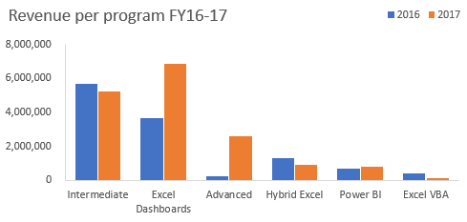
Question 1:
Use a function/formula to populate the following columns:
 | a) | Unit Price -this is based on the price matrix per program given on the Transactions worksheet
 | b) | Sales Amount
 | c) | Year & Month columns based on the transaction date
 | d) | Customer Loading column. This should combine the client code and the client name as shown
 |  | in the image below
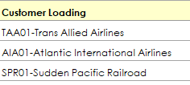

 |  |  | Question 3:
 |  |  | From the chart created in question 2, the share of Power BI is marginal.
 |  |  | The products manager of DC Analytics Ltd feels if efforts are enhanced this program has the
 |  |  | potential to be a main revenue earner.
 |  |  | Please advise the manager on some of the strategies he can implement to achieve this goal. Type your thoughts below
 |  |  | There has been a slight improvement in the sum of sales made from the Power BI training in 2017 from 2016. Power BI has the largest unit price but the smallest number of participants. Therefore, the company can focus more on sales and marketing to attract more costomers. Consequently, the company may lower the training costs, therefore encouranging more students to join the program.

Report
Sum of Sales Amount by Training Program
Training Program | Year | Sum of Sales Amount
Advanced | 2016 | 264600
Advanced | 2017 | 2623950
Excel Dashboards | 2016 | 3657445
Excel Dashboards | 2017 | 6849397
Excel VBA | 2016 | 435200
Excel VBA | 2017 | 163200
Hybrid Excel | 2016 | 1315560
Hybrid Excel | 2017 | 900120
Intermediate | 2016 | 5668540
Intermediate | 2017 | 5218060
Power BI | 2016 | 677990
Power BI | 2017 | 813588

